SS26
 |  |  |  |  |  |  |  | Scale | Size Range
 |  |  |  |  |  |  |  | A(US) | 4 | 4.5 | 5 | 5.5 | 6 | 6.5 | 7 | 7.5 | 8 | 8.5 | 9 | 9.5 | 10 | 10.5 | 11 | 11.5 | 12 | 12.5 | 13 | 13.5 | 14 | 15 | 16 | 17 | 18
 |  |  |  |  |  |  |  | B(US) | K4 | K5 | K6 | K7 | K8 | K9 | K10 | K11 | K11.5 | K12 | K12.5 | K13 | K13.5 | 1 | 1.5 | 2 | 2.5 | 3 | 3.5 | 4 | 4.5 | 5 | 5.5 | 6 | 6.5 | 7 | 1033 | 54,590.00 €
Gender | Image | Product Code | Item Description | Color Description | WHS | SRP | Quantity Type | Scale |  |  |  |  |  |  |  |  |  |  |  |  |  |  |  |  |  |  |  |  |  |  |  |  |  |  | Total Quantity |  | Total Net Price (EUR)
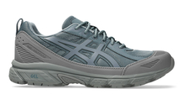
UNISEX |  | 1203A474_024 | GEL-VENTURE 6 SHIELD | IRONCLAD/FJORD GREY | 65.00 € | 130.00 € | ATP | A(US) | 1 | 1 | 7 | 11 | 4 | 1 | 6 | 1 | 2 | 3 | 6 | 5 | 8 |  | 3 | 2 |  |  | 3 |  |  |  |  |  |  |  | 64 | 4,160.00 €
UNISEX |  | 1203A474_024 | GEL-VENTURE 6 SHIELD | IRONCLAD/FJORD GREY | 65.00 € | 130.00 € | Order |  |  |  |  |  |  |  |  |  |  |  |  |  |  |  |  |  |  |  |  |  |  |  |  |  |  |  | 0 | 0.00 € | 0
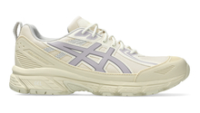
UNISEX |  | 1203A474_100 | GEL-VENTURE 6 SHIELD | CREAM/CLOUD GREY | 65.00 € | 130.00 € | ATP | A(US) | 1 | 6 |  |  |  | 1 |  | 2 | 1 | 1 | 3 | 5 | 10 | 11 | 8 | 7 | 4 |  |  |  | 2 |  |  |  |  |  | 62 | 4,030.00 €
UNISEX |  | 1203A474_100 | GEL-VENTURE 6 SHIELD | CREAM/CLOUD GREY | 65.00 € | 130.00 € | Order |  |  |  |  |  |  |  |  |  |  |  |  |  |  |  |  |  |  |  |  |  |  |  |  |  |  |  | 0 | 0.00 € | 0
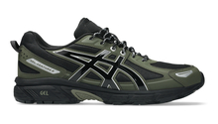
UNISEX |  | 1203A908_001 | GEL-VENTURE 6 | BLACK/PURE SILVER | 55.00 € | 110.00 € | ATP | A(US) | 4 |  | 4 |  | 1 |  | 2 |  | 2 | 2 | 1 |  |  | 3 | 1 | 2 | 3 |  |  |  |  |  |  |  |  |  | 25 | 1,375.00 €
UNISEX |  | 1203A908_001 | GEL-VENTURE 6 | BLACK/PURE SILVER | 55.00 € | 110.00 € | Order |  |  |  |  |  |  |  |  |  |  |  |  |  |  |  |  |  |  |  |  |  |  |  |  |  |  |  | 0 | 0.00 € | 0
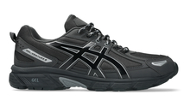
UNISEX |  | 1203A908_020 | GEL-VENTURE 6 | GRAPHITE GREY/PURE SILVER | 55.00 € | 110.00 € | ATP | A(US) | 5 | 1 | 1 | 10 | 18 | 25 | 42 | 26 |  | 9 |  | 13 |  | 7 |  | 8 |  |  | 11 |  | 9 |  |  |  |  |  | 185 | 10,175.00 €
UNISEX |  | 1203A908_020 | GEL-VENTURE 6 | GRAPHITE GREY/PURE SILVER | 55.00 € | 110.00 € | Order |  |  |  |  |  |  |  |  |  |  |  |  |  |  |  |  |  |  |  |  |  |  |  |  |  |  |  | 0 | 0.00 € | 0
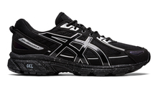
UNISEX |  | 1203A245_001 | GEL-VENTURE 6 | BLACK/BLACK | 50.00 € | 100.00 € | ATP | A(US) | 3 | 14 | 28 | 49 | 74 | 65 |  |  |  | 1 |  | 1 | 1 |  |  |  |  |  |  |  |  |  |  |  |  |  | 236 | 11,800.00 €
UNISEX |  | 1203A245_001 | GEL-VENTURE 6 | BLACK/BLACK | 50.00 € | 100.00 € | Order |  |  |  |  |  |  |  |  |  |  |  |  |  |  |  |  |  |  |  |  |  |  |  |  |  |  |  | 0 | 0.00 € | 0
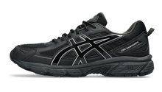
UNISEX |  | 1203A297_002 | GEL-VENTURE 6 | BLACK/BLACK | 50.00 € | 100.00 € | ATP | A(US) |  | 11 | 11 | 43 | 84 | 46 | 13 | 12 | 36 |  |  |  |  | 7 | 8 | 21 | 5 |  | 3 |  |  |  |  |  |  |  | 300 | 15,000.00 €
UNISEX |  | 1203A297_002 | GEL-VENTURE 6 | BLACK/BLACK | 50.00 € | 100.00 € | Order |  |  |  |  |  |  |  |  |  |  |  |  |  |  |  |  |  |  |  |  |  |  |  |  |  |  |  | 0 | 0.00 € | 0
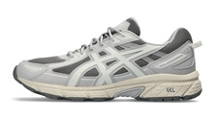
UNISEX |  | 1203A297_022 | GEL-VENTURE 6 | CLAY GREY/CREAM | 50.00 € | 100.00 € | ATP | A(US) |  | 13 |  |  |  |  |  |  |  |  |  |  |  |  | 7 |  |  |  |  |  | 1 |  |  |  |  |  | 21 | 1,050.00 €
UNISEX |  | 1203A297_022 | GEL-VENTURE 6 | CLAY GREY/CREAM | 50.00 € | 100.00 € | Order |  |  |  |  |  |  |  |  |  |  |  |  |  |  |  |  |  |  |  |  |  |  |  |  |  |  |  | 0 | 0.00 € | 0
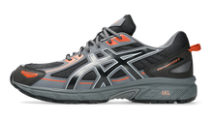
UNISEX |  | 1203A438_004 | GEL-VENTURE 6 | BLACK/ORANGE MANTLE | 50.00 € | 100.00 € | ATP | A(US) | 4 | 1 | 3 |  | 1 |  | 2 | 1 | 2 |  |  |  |  |  |  |  |  |  | 1 |  |  |  |  |  |  |  | 15 | 750.00 €
UNISEX |  | 1203A438_004 | GEL-VENTURE 6 | BLACK/ORANGE MANTLE | 50.00 € | 100.00 € | Order |  |  |  |  |  |  |  |  |  |  |  |  |  |  |  |  |  |  |  |  |  |  |  |  |  |  |  | 0 | 0.00 € | 0
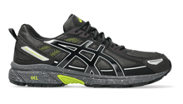
UNISEX |  | 1203A438_027 | GEL-VENTURE 6 | OBSIDIAN GREY/BLACK | 50.00 € | 100.00 € | ATP | A(US) | 6 | 8 | 7 | 3 | 9 | 9 | 1 | 2 |  |  |  | 3 |  |  | 1 |  | 7 |  |  |  |  |  |  |  |  |  | 56 | 2,800.00 €
UNISEX |  | 1203A438_027 | GEL-VENTURE 6 | OBSIDIAN GREY/BLACK | 50.00 € | 100.00 € | Order |  |  |  |  |  |  |  |  |  |  |  |  |  |  |  |  |  |  |  |  |  |  |  |  |  |  |  | 0 | 0.00 € | 0
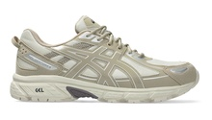
UNISEX |  | 1203A438_030 | GEL-VENTURE 6 | SMOKE GREY/WOOL | 50.00 € | 100.00 € | ATP | A(US) |  | 1 | 1 |  |  |  | 2 |  | 2 | 3 | 3 | 4 | 4 | 3 | 3 |  | 1 |  |  |  |  |  |  |  |  |  | 27 | 1,350.00 €
UNISEX |  | 1203A438_030 | GEL-VENTURE 6 | SMOKE GREY/WOOL | 50.00 € | 100.00 € | Order |  |  |  |  |  |  |  |  |  |  |  |  |  |  |  |  |  |  |  |  |  |  |  |  |  |  |  | 0 | 0.00 € | 0
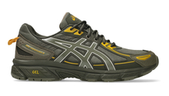
UNISEX |  | 1203A438_301 | GEL-VENTURE 6 | IRVINE/OLIVE CANVAS | 50.00 € | 100.00 € | ATP | A(US) | 2 |  |  |  |  |  | 4 | 3 | 8 | 1 | 6 | 4 | 8 | 4 |  | 2 |  |  |  |  |  |  |  |  |  |  | 42 | 2,100.00 €
UNISEX |  | 1203A438_301 | GEL-VENTURE 6 | IRVINE/OLIVE CANVAS | 50.00 € | 100.00 € | Order |  |  |  |  |  |  |  |  |  |  |  |  |  |  |  |  |  |  |  |  |  |  |  |  |  |  |  | 0 | 0.00 € | 0

